Supplementary Fig. 15
# iteration | (a) GLSN of 2015
 | dataset (all routes) |  |  |  |  |  | sub-dataset (FC routes) |  |  |  |  |  | sub-dataset (International routes)
 | at the country level |  |  | at the country pair level |  |  | at the country level |  |  | at the country pair level |  |  | at the country level
 | # all connections | # SC connections | # NSC connections | # all connections | # SC connections | # NSC connections | # all connections | # SC connections | # NSC connections | # all connections | # SC connections | # NSC connections | # all connections | # SC connections
1 | 0.88 | 0.85 | 0.69 | 0.52 | 0.59 | 0.35 | 0.87 | 0.85 | 0.6 | 0.48 | 0.57 | 0.26 | 0.88 | 0.89
2 | 0.88 | 0.83 | 0.73 | 0.52 | 0.6 | 0.39 | 0.87 | 0.85 | 0.6 | 0.48 | 0.57 | 0.25 | 0.88 | 0.8
3 | 0.88 | 0.85 | 0.69 | 0.52 | 0.58 | 0.35 | 0.87 | 0.86 | 0.67 | 0.48 | 0.59 | 0.29 | 0.88 | 0.88
4 | 0.88 | 0.87 | 0.6 | 0.52 | 0.58 | 0.29 | 0.87 | 0.84 | 0.58 | 0.48 | 0.56 | 0.24 | 0.88 | 0.85
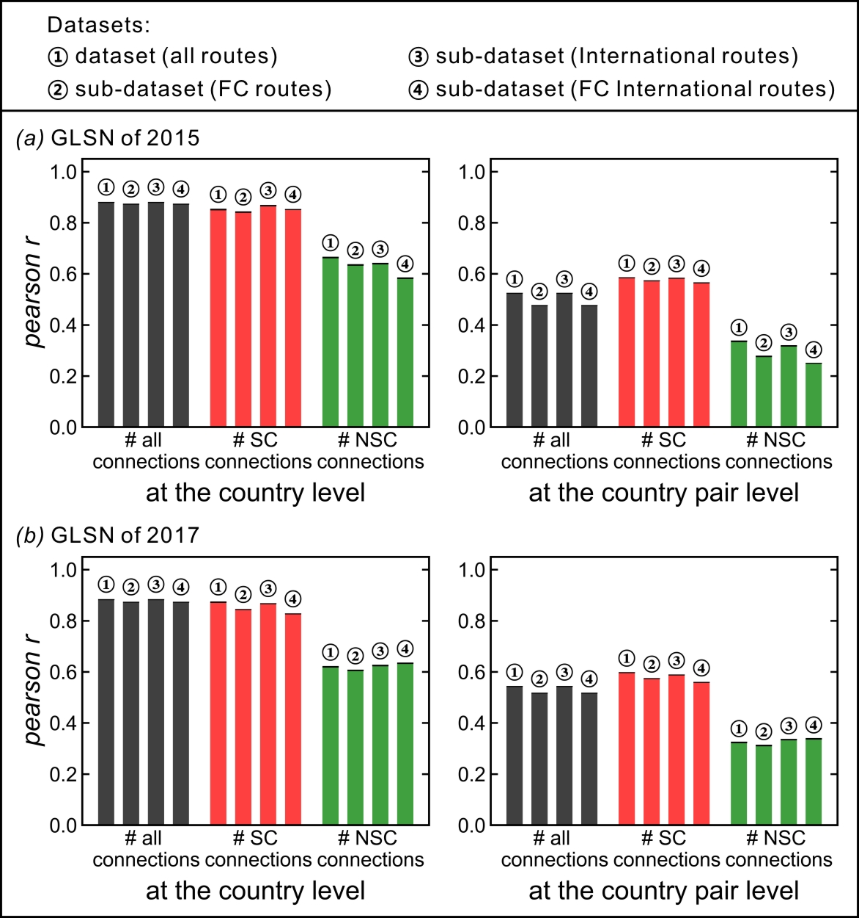
5 | 0.88 | 0.87 | 0.68 | 0.52 | 0.59 | 0.34 | 0.87 | 0.85 | 0.61 | 0.48 | 0.57 | 0.26 | 0.88 | 0.87
6 | 0.88 | 0.87 | 0.66 | 0.52 | 0.58 | 0.29 | 0.87 | 0.85 | 0.64 | 0.48 | 0.59 | 0.28 | 0.88 | 0.86
7 | 0.88 | 0.9 | 0.63 | 0.52 | 0.59 | 0.3 | -- | -- | -- | -- | -- | -- | 0.88 | 0.9
8 | 0.88 | 0.8 | 0.71 | 0.52 | 0.58 | 0.36 | 0.87 | 0.81 | 0.69 | 0.48 | 0.56 | 0.32 | 0.88 | 0.81
9 | 0.88 | 0.89 | 0.63 | 0.52 | 0.58 | 0.31 | 0.87 | 0.86 | 0.67 | 0.48 | 0.59 | 0.29 | 0.88 | 0.89
10 | 0.88 | 0.81 | 0.7 | 0.52 | 0.58 | 0.37 | 0.87 | 0.86 | 0.59 | 0.48 | 0.59 | 0.24 | 0.88 | 0.89
11 | -- | -- | -- | -- | -- | -- | 0.87 | 0.86 | 0.6 | 0.48 | 0.57 | 0.25 | 0.88 | 0.89
12 | 0.88 | 0.88 | 0.6 | 0.52 | 0.58 | 0.29 | 0.87 | 0.87 | 0.59 | 0.48 | 0.58 | 0.25 | 0.88 | 0.83
13 | 0.88 | 0.88 | 0.6 | 0.52 | 0.58 | 0.29 | 0.87 | 0.85 | 0.61 | 0.48 | 0.57 | 0.26 | 0.88 | 0.89
14 | 0.88 | 0.85 | 0.67 | 0.52 | 0.59 | 0.35 | 0.87 | 0.81 | 0.69 | 0.48 | 0.56 | 0.33 | 0.88 | 0.89
15 | 0.88 | 0.84 | 0.68 | 0.52 | 0.59 | 0.35 | 0.87 | 0.86 | 0.67 | 0.48 | 0.59 | 0.29 | 0.88 | 0.89
16 | 0.88 | 0.79 | 0.69 | 0.52 | 0.58 | 0.37 | 0.87 | 0.84 | 0.61 | 0.48 | 0.57 | 0.26 | 0.88 | 0.85
17 | 0.88 | 0.89 | 0.6 | 0.52 | 0.58 | 0.29 | 0.87 | 0.86 | 0.67 | 0.48 | 0.59 | 0.29 | 0.88 | 0.89
18 | 0.88 | 0.83 | 0.66 | 0.52 | 0.58 | 0.34 | 0.87 | 0.86 | 0.6 | 0.48 | 0.57 | 0.26 | 0.88 | 0.87
19 | 0.88 | 0.86 | 0.62 | 0.52 | 0.57 | 0.3 | 0.87 | 0.84 | 0.61 | 0.48 | 0.57 | 0.26 | 0.88 | 0.88
20 | 0.88 | 0.89 | 0.6 | 0.52 | 0.58 | 0.29 | 0.87 | 0.84 | 0.62 | 0.48 | 0.57 | 0.26 | 0.88 | 0.89
21 | 0.88 | 0.87 | 0.59 | 0.52 | 0.58 | 0.29 | 0.87 | 0.86 | 0.59 | 0.48 | 0.57 | 0.25 | 0.88 | 0.85
22 | 0.88 | 0.89 | 0.63 | 0.52 | 0.58 | 0.31 | 0.87 | 0.86 | 0.6 | 0.48 | 0.57 | 0.25 | 0.88 | 0.84
23 | 0.88 | 0.89 | 0.67 | 0.52 | 0.59 | 0.33 | 0.87 | 0.83 | 0.67 | 0.48 | 0.58 | 0.3 | 0.88 | 0.86
24 | 0.88 | 0.87 | 0.63 | 0.52 | 0.58 | 0.31 | 0.87 | 0.85 | 0.6 | 0.48 | 0.57 | 0.26 | 0.88 | 0.88
25 | 0.88 | 0.82 | 0.7 | 0.52 | 0.58 | 0.37 | 0.87 | 0.81 | 0.69 | 0.48 | 0.54 | 0.31 | 0.88 | 0.87
26 | 0.88 | 0.8 | 0.71 | 0.52 | 0.57 | 0.38 | 0.87 | 0.86 | 0.67 | 0.48 | 0.59 | 0.29 | 0.88 | 0.88
27 | 0.88 | 0.8 | 0.71 | 0.52 | 0.58 | 0.37 | 0.87 | 0.86 | 0.67 | 0.48 | 0.59 | 0.29 | -- | --
28 | 0.88 | 0.87 | 0.64 | 0.52 | 0.6 | 0.33 | 0.87 | 0.88 | 0.56 | 0.48 | 0.56 | 0.23 | 0.88 | 0.85
29 | -- | -- | -- | -- | -- | -- | 0.87 | 0.85 | 0.57 | 0.48 | 0.57 | 0.24 | 0.88 | 0.89
30 | -- | -- | -- | -- | -- | -- | 0.87 | 0.77 | 0.71 | 0.48 | 0.56 | 0.33 | 0.88 | 0.89
31 | 0.88 | 0.89 | 0.6 | 0.52 | 0.58 | 0.29 | 0.87 | 0.85 | 0.68 | 0.48 | 0.58 | 0.3 | 0.88 | 0.84
32 | 0.88 | 0.85 | 0.72 | 0.52 | 0.61 | 0.37 | 0.87 | 0.85 | 0.6 | 0.48 | 0.57 | 0.25 | 0.88 | 0.85
33 | 0.88 | 0.79 | 0.71 | 0.52 | 0.57 | 0.37 | 0.87 | 0.83 | 0.68 | 0.48 | 0.57 | 0.31 | 0.88 | 0.87
34 | 0.88 | 0.89 | 0.6 | 0.52 | 0.59 | 0.28 | 0.87 | 0.85 | 0.6 | 0.48 | 0.56 | 0.26 | 0.88 | 0.89
35 | 0.88 | 0.83 | 0.69 | 0.52 | 0.59 | 0.36 | 0.87 | 0.81 | 0.59 | 0.48 | 0.56 | 0.25 | 0.88 | 0.85
36 | 0.88 | 0.89 | 0.62 | 0.52 | 0.58 | 0.31 | -- | -- | -- | -- | -- | -- | 0.88 | 0.85
37 | 0.88 | 0.87 | 0.68 | 0.52 | 0.59 | 0.34 | 0.87 | 0.84 | 0.67 | 0.48 | 0.59 | 0.29 | 0.88 | 0.83
38 | 0.88 | 0.88 | 0.61 | 0.52 | 0.58 | 0.29 | 0.87 | 0.85 | 0.59 | 0.48 | 0.56 | 0.25 | 0.88 | 0.88
39 | 0.88 | 0.87 | 0.69 | 0.52 | 0.59 | 0.34 | 0.87 | 0.85 | 0.57 | 0.48 | 0.57 | 0.24 | 0.88 | 0.89
40 | 0.88 | 0.82 | 0.72 | 0.52 | 0.59 | 0.38 | 0.87 | 0.84 | 0.68 | 0.48 | 0.58 | 0.3 | 0.88 | 0.87
41 | 0.88 | 0.88 | 0.59 | 0.52 | 0.58 | 0.29 | 0.87 | 0.85 | 0.57 | 0.48 | 0.57 | 0.24 | 0.88 | 0.88
42 | 0.88 | 0.86 | 0.63 | 0.52 | 0.57 | 0.3 | 0.87 | 0.87 | 0.63 | 0.48 | 0.58 | 0.27 | 0.88 | 0.87
...

